Amortisation profile II
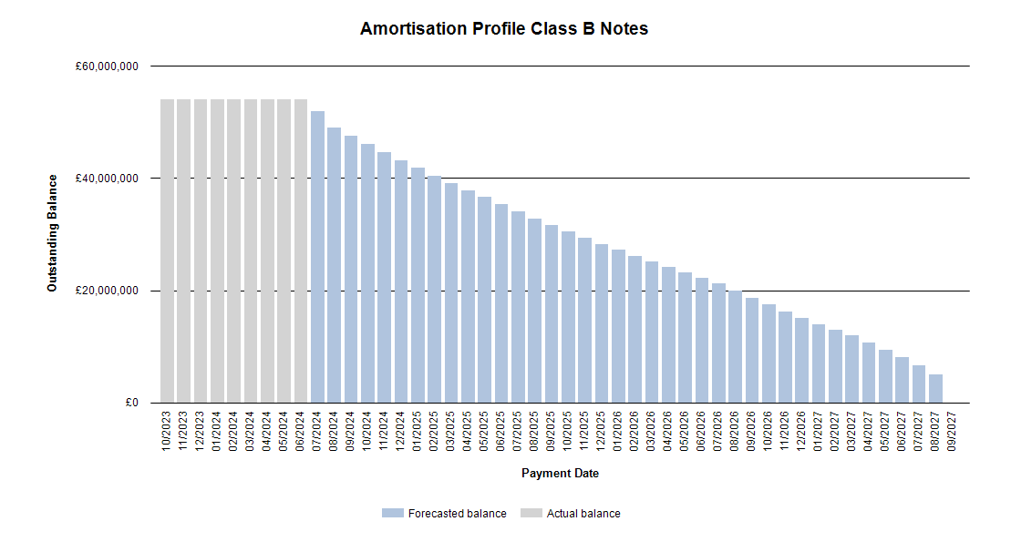
 |  | Publication Date: 21.06.2024
 |  | Period: 05.2024 / Period no. 08

Amortisation profile II

 | 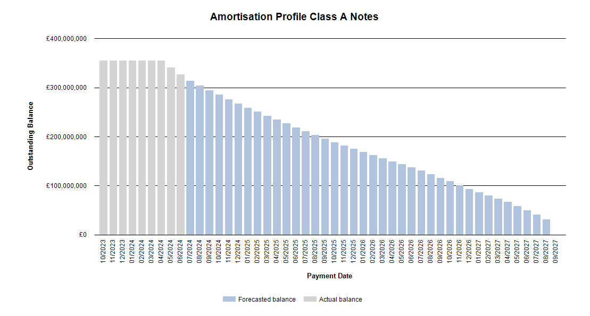

Run out schedule II
 |  | Publication Date: 21.06.2024
 |  | Period: 05.2024 / Period no. 08

Run out schedule I

 | 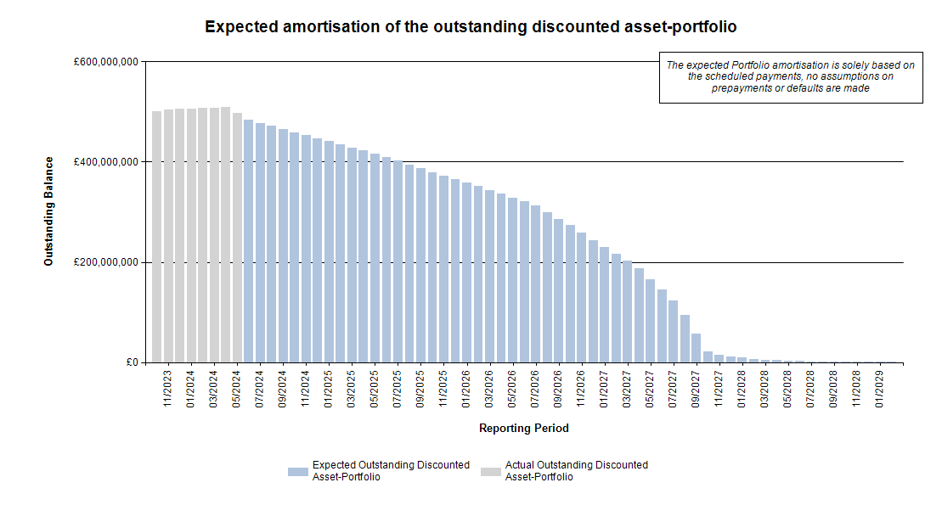

Delinquencies & Defaults II

 | Publication Date: 21.06.2024
 | Period: 05.2024 / Period no. 08

Delinquencies & Defaults II

Delinquent Receivables, End of Term, Early Settlements & Defaulted |  |  |  |  |  |  | Type of Contract |  |  |  |  |  | Type of Car |  |  |  | Customer Type
 |  |  |  |  |  |  | Hire Purchase |  | PCP |  | LP |  | New |  | Used |  | Retail |  | Corporate
Days in Arrears |  | Number of Contracts | Percentage of Contracts | Aggregate Discounted Receivables Balance | Percentage of Aggregate Discounted Receivables Balance | Value of Arrears | Number of Contracts | Aggregate Discounted Receivables Balance | Number of Contracts | Aggregate Discounted Receivables Balance | Number of Contracts | Aggregate Discounted Receivables Balance | Number of Contracts | Aggregate Discounted Receivables Balance | Number of Contracts | Aggregate Discounted Receivables Balance | Number of Contracts | Aggregate Discounted Receivables Balance | Number of Contracts | Aggregate Discounted Receivables Balance
> 0 <= 30 |  | 6 | 0.02% | £19,438.33 | 0.00% | £19,460.80 | 2 | £226.21 | 4 | £19,212.12 | 0 | £0.00 | 1 | £8,064.47 | 5 | £11,373.86 | 6 | £19,438.33 | 0 | £0.00
> 30 <= 60 |  | 53 | 0.21% | £1,208,198.97 | 0.25% | £35,575.24 | 17 | £278,599.04 | 36 | £929,599.93 | 0 | £0.00 | 11 | £469,490.74 | 42 | £738,708.23 | 51 | £962,409.12 | 2 | £245,789.85
> 60 <= 90 |  | 27 | 0.11% | £500,909.14 | 0.10% | £34,500.35 | 11 | £209,707.87 | 16 | £291,201.27 | 0 | £0.00 | 2 | £48,202.95 | 25 | £452,706.19 | 27 | £500,909.14 | 0 | £0.00
> 90 <= 120 |  | 23 | 0.09% | £431,264.02 | 0.09% | £45,268.24 | 6 | £57,984.59 | 17 | £373,279.43 | 0 | £0.00 | 4 | £98,100.80 | 19 | £333,163.22 | 22 | £397,112.82 | 1 | £34,151.20
> 120 <= 150 |  | 10 | 0.04% | £150,854.53 | 0.03% | £28,631.31 | 3 | £42,742.04 | 7 | £108,112.49 | 0 | £0.00 | 0 | £0.00 | 10 | £150,854.53 | 10 | £150,854.53 | 0 | £0.00
> 150 <= 180 |  | 3 | 0.01% | £30,915.79 | 0.01% | £2,964.79 | 2 | £11,995.84 | 1 | £18,919.95 | 0 | £0.00 | 1 | £18,919.95 | 2 | £11,995.84 | 3 | £30,915.79 | 0 | £0.00
> 180 |  | 8 | 0.03% | £208,265.49 | 0.04% | £30,346.77 | 1 | £27,394.87 | 7 | £180,870.62 | 0 | £0.00 | 1 | £22,186.94 | 7 | £186,078.55 | 8 | £208,265.49 | 0 | £0.00
Total |  | 130 | 0.52% | £2,549,846.27 | 0.53% | £196,747.50 | 42 | £628,650.46 | 88 | £1,921,195.81 | 0 | £0.00 | 20 | £664,965.85 | 110 | £1,884,880.42 | 127 | £2,269,905.22 | 3 | £279,941.05

